1. Howto
Purpose of the Sheet:
To download massive amounts of banking data (In CSV format) and
automatically sort those transactions based on keywords

Step 1: Obtain your CSV Data
You will need to access your online banking to complete this step.
Log on to your Bank, click on the relevant account
Look for a "download" option or an option to expand the date range of the accounts
As each bank is different, giving instructions beyond this is impossible

Step 2: Prepare and Copy the CSV data
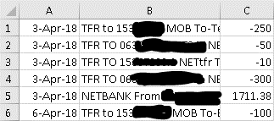
(a)
 | (i) | Open your CSV Data, clear any empty columns
 | (ii) | Delete all columns EXCEPT: Date Paid, Description and Paid
 |  | (effective date, balance, account etc are not required)
 | (iii) | Organise the data with the first column being date,
 |  | the second being description, the third being paid
 |  | See Fig 2a(iii) |  |  | Fig 2a(iii)
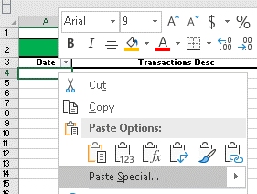
(b)
 | (i) | Highlight all of your CSV Data
 | (ii) | Right Click in the Selected Data. Select: "Copy"
 | (iii) | Navigate to the tab: "2. Transaction Sorter"
 | (iv) | Right click in Cell: "A4"
 | (v) | Click: "Paste Special"
 |  | See Fig 2b(v)

 | (vi) | Click: "Values" |  |  | Fig 2b(v)
 | (vii) | Click: "OK"

Step 3: Entering in Lookup Codes

(a)
 | (i) | Navigate to the tab: "2. Transaction Sorter"
 | (ii) | Navigate to Columns: I - O

(b)
 | (i) | For Each Column, Enter:
 |  | Column | I: | A word that appears in your CSV data frequently. IE: "LIQUORLAND"
 |  | Column | K: | Income, Expense, Other Income, Other. I.e.: "Personal Expenses"
 |  | Column | M: | The Payee / Payer: I.e.: "Coles Liquorland"
 |  | Column | O: | A detailed sub account. I.e.: "Alcohol"

 | (ii) | The results of what you typed in, will appear in columns D, E and F. Fill as many as possible

Step 4: Identify Accounts to be allocated

(a)
 | (i) | Fill as much of Columns D, E and F as you can.
 | (ii) | For Transactions that require allocation, navigate to: "4. Unallocated Transactions"
 | (iii) | Right click anywhere on the Pivot Table, and Click: "Refresh"
 | (iv) | You will get a list of all transactions that have not been allocated a code
 | (v) | Use some key words from the top of the report as a basis to enter further lookup keywords
 |  | in columns I, K, M and O on the transaction sorter

Step 5: Completing the Report

(a)
 | (i) | Navigate to: "3. Expenditure Summary"
 | (ii) | Right click anywhere on the Pivot Table, and Click: "Refresh"
 | (iii) | You should have a detailed monthly report of what spending has occurred for
 |  | each account and payee. If not, modify the PivotTable as required
 | (iv) | Alternatively, Rename your codes in Columns K, M and O and they will
 |  | transpose to the final report

